results
Location: | kkk
Brand | Product | Volume | UAL | Category | Quant | Product Image
Barcode: |  |  |  |  | c
Dow Corning | Molykote | 5.3 oz | 06093DC111 | Product | T | 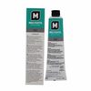 | D

data
Brand: | Product Description: | Volume: | UAL Product Number: | Category: |  |  | Alpha
jhgj | hjgjh | jhgjgj | kjhkjh | hbhjbj |  |  | alpha
3m | Edge Sealer | 8 oz | 060933098 41505 | Product | 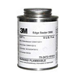 |  | 3
3M | Neoprene Highperformance Rubber + Gasket | 1 Quart | 060932249 1300L | Product |  |  | 3
3M | Ec3524 B/a Void Filler 0.5 gallonkit | 0.5 gal | NA | Product |  |  | 3
AkroFire | AF400 Cargo Liner Contour Damage Repair Kit | kit | NA | Product | 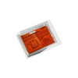 |  | A
Armite Labs | Petrolatum Technical VVP236 | 1 Quart | NA | Product |  |  | A
Armite Labs | SAEAMS 2518 Lubricant | 1 Quart | NA | Product |  |  | A
Armite Labs | SAE AMS2548 Thread Compound | 16.0 oz | 60937731 | Product | 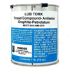 |  | A
Armite Labs | Petrolatum Technical VVP236 | 16.0 oz | 60937018 | Product |  |  | A
Armite Labs | SAEAMS 2518 Lubricant | 16 oz | 60937731 | Product |  |  | A
Bostik | Never Seez Pure Nickel Special | 8.0 oz | 60935758 | Product | 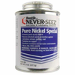 |  | B
BP | BP Turbo Oil 2389 Turbine Oil | 32 oz | NA | Product |  |  | B
CAIG LABS | D5S6 CAIG DeoxIT 5% Spray Contact Cleaner | 5 oz | NA | Product | 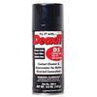 |  | C
Castol | Aero 27027 Oil | 1 gal | 40060230010 | Product | 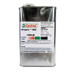 |  | C
Castrol | Aero 40 Oil 45101A | 1 gal | 40060230016 | Product |  |  | C
Castrol | Brayco Micronic 756 Hydraulic Fluid | 1 gal | NA | Product | 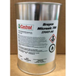 |  | C
Castrol | 236 Aviation Corrosion Preventive Grease | 0.5 Quart | NA | Product | 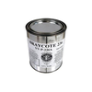 |  | C
Castrol | Brayco Micronic 756 Landing Gear Strut Wipe | 13 in x13 in | 8430195 | Product | 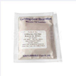 |  | C
DAPCO | 2200 Primerless Firewall Sealant | 2.5 oz | NA | Product |  |  | D
Dow Corning | Molykote | 5.3 oz | 06093DC111 | Product |  |  | D
Dow Corning | 340 Silicone Heat Sink Compound | 5 oz | NA | Product |  |  | D
Dow Corning | 732 Multi Purpose Sealant | 3.0 oz | 60933107 | Product | 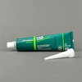 |  | D
Dow Corning | 3145 RTV Adhesive Sealant, Clear | 3.0 oz | 60937250 | Product | 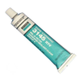 |  | D
DOW Corning | 732 Multipurpose Sealant | 300 ml | NA | Product |  |  | D
DYKEM | Industrial Paint Marker | NA | NA | Product |  |  | D
Eastman | Turbo Oil 2197 | 1 Quart | NA | Product |  |  | E
Graco | Isopropyl Alcohol | 1 gal | 40060930336 | Product |  |  | G
Henkel | Thread Locker | 50 ml | NA | Product | 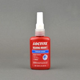 |  | H
Huntsman | Uralane 5774 A/C US | 50ml | NA | Product |  |  | H
Krylon | Tough Coat Acrylic Alkyd Enamels | 12 oz | NA | Product | 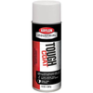 |  | K
Krylon | EA 934 50 Ml Aero Dual Cartridge | 50 ml | NA | Product | 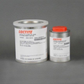 |  | K
Krylon | Tough Coat Acrylic Alkyd Enamels | 12 oz | NA | Product |  |  | K
LPS | 2 Heavy Duty Lubricant | 16 oz | NA | Product |  |  | L
LYSOL | Disinfectant Spray | 19 oz | NA | Product | 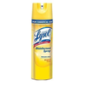 |  | L
Mobil | Mobilgrease 28 Aviation Grease | 13.7 oz | 60937351 | Product |  |  | M
Momentive | Momentive RTV1060 Silicone Red | 2.8 oz | NA | Product | 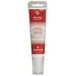 |  | M
NA | Universal Waste Batteries | 5 gal | 3314 581 | Waste |  |  | N
NA | Universal Waste Aerosol | 5 gal | 3385 22B | Waste |  |  | N
NA | Universal Waste Paint Debris | 5 gal | 338521 | Waste |  |  | N
NA | NA | NA | NA | Equipment |  |  | N
NA | NA | 9 in Diameter by 52 in Height | NA | Equipment |  |  | N
NA | Spent Absorbents | 55 gal | 338519 | Waste |  |  | N
NA | Jet Fuel | 5 gal | NA | Product |  |  | N
NA | GSE Fuel | 5 gal | NA | Waste |  |  | N
NA | TM30111 Fluid Dispensor | NA | NA | Equipment |  |  | N
NA | Turbo Oil Dispensor | NA | NA | Equipment |  |  | N
NA | Three Oxygen Gas Cylinders | 9 in Diameter by 52 in Height | NA | Product |  |  | N
NA | Spent Absorbents | 55 gal | NA | Waste |  |  | N
NA | Jet Fuel | 55 gal | NA | Waste |  |  | N
Ozark | White Distilled Vinegar 10% Acidity | 1 gal | NA | Product |  |  | O
PPG | SemKit Package | na | 60937612 | Product |  |  | P
PPG Aerospace | PR1772 c Low Weight Fuselage Sealant | 6 oz | 60937612 | Product |  |  | P
Roly | Roly Freeze Spray | 12 oz | 40060930142 | Product |  |  | R
Shydrol | LD4 Skydrol Aircraft Hydraulic Fluid | 1 gal | NA | Product |  |  | S
Sprayon | LU211 Food Grade Silicone Lubricant | 12 oz | NA | Product | 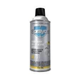 |  | S
Zip Chem | Aero Clean X200 Gum & Adhesive Ink Removal | 8 oz | na | Product |  |  | Z
Zip Chem | Zip D5010NS Corrosion Preventive | 5.3 oz | 40060930232 | Product |  |  | Z
Zip Chem | AeroClean X410Q RFU Aircraft Cleaner | 8 oz | NA | Product |  |  | Z
Zip Chem | Zip D5010NS Corrosion Preventive | 12 oz | NA | Product |  |  | Z
Zip Chem | D5933NS Aircraft Cleaner | 12 oz | NA | Product |  |  | Z
Zip Chem | D5026NS Avionics Corrosion Preventitive Compound | 12 oz | NA | Product | 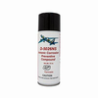 |  | Z
Zip Chem | SurPrep 5673 Avionics Contact Cleaner/Degreaser | 12 oz | NA | Product |  |  | Z
Zip Chem | D5653 Universal Precision Cleaner | 12 oz | NA | Product |  |  | Z
Zip Chem | D5933NS Aircraft Cleaner | 12 oz | NA | Product |  |  | Z
New Product | New Product | Newproduct | NA | New Product |  |  | N
Blue Rhino | Propane | 15 pounds | na | Equipment | 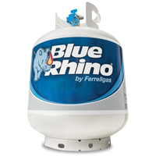 |  | B
Blue Rhino | Propane | 16 pounds | na | Equipment |  |  | B
Celeste | Sani-Pack Toilet Deoderant Concentrate | 1 quart | na | Product | 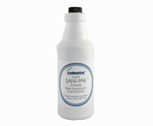 |  | C
Celeste | Sani-Cide EX3 | 1 quart | na | Product |  |  | C
Counter Assault | Bear Reppelant | 8.1 oz | na | Waste | 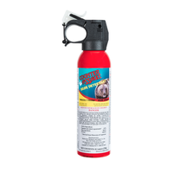 |  | C
Cramer | Colorless Tuf-skin | 10 oz | 311960405287 | Waste | 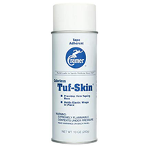 |  | C
Ding All | Polyester repair kit | 4 oz | 104903 | Waste | 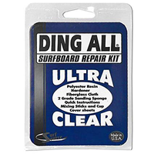 |  | D
Exxon | HyJet IV-A Aviation Hydraulic Fluid | One quart | HYJETIVAPLUS1QT | Equipment |  | 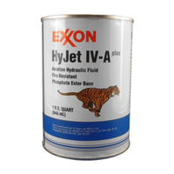 | E
Finish Line | Speed Bike Degreaser | 13.5 oz | 36121710344 | Waste | 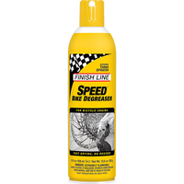 |  | F
Honda | ATF-Z 1 Power Trim and Tilt Fluid | 32 fluid ounces | 08207-TNT32 | Equipment | 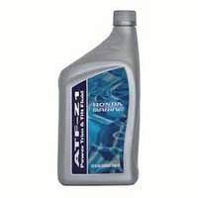 |  | H
Hoppes | Hoppes #9 Firearm Cleaner | 5 oz | 26285510416 | Waste |  |  | H
Justrite | Gasoline | 3 Gallons | na | Equipment | 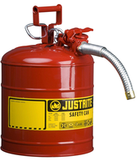 |  | J
Matrix Aviation Blended | Glass Cleaner #2 | 18.9liters | na | Product | 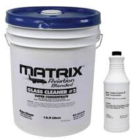 |  | M
Minwax | Exterior Wood Finish | 1 gallon | na | Waste | 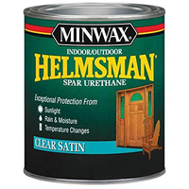 |  | M
MSR Isopro | All Season Fuel Blend | 13.1 oz | 4081832210 | Waste | 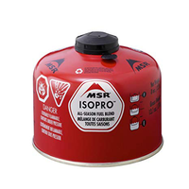 |  | M
Napa | Premium Performance Automatic Transmission Fluid | One quart | 28882903189 | Equipment | 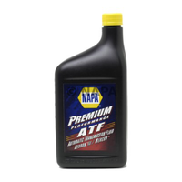 |  | N
Napa | Green Antifreeze and Coolant | One gallon | 74804008234 | Equipment | 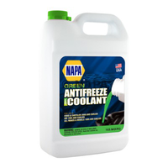 |  | N
Olympus Blue | Diesel Exhaust Fluid | 2.5 Gallons | 40232022661 | Product | 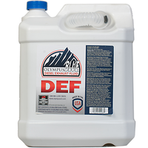 |  | O
Oxine | Active Oxine Disinfectant | 32 fluid ounces | 970584 | Equipment | 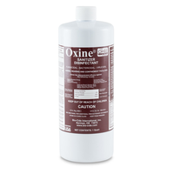 |  | O
Polar Plus LT | De-Icing Fluid | 55 gallon 2 barrels | na | Product | 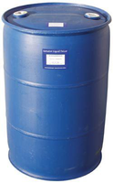 |  | P
Purogene | Chlorine Dioxide | 32 fl oz | na | Product | 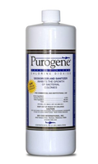 |  | P | Bran+J87:F5
RJ Chemical LLC | Isopropyl Alcohol 99% | 32 ounce | na | Equipment | 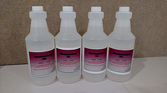 |  | R
Rock N Roll | Lube | 4 oz | na | Waste | 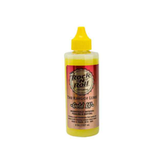 |  | R
Rust-Oleum | Inverted MarkingPaint | 15 oz | 20066221386 | Waste | 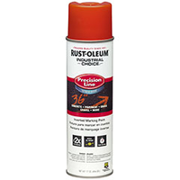 |  | R
Rust-Oleum | Painters Touch Matte Clear | 12 oz | 20066187446 | Waste | 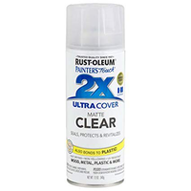 |  | R
Smelleze | Blood and Body Fluid Solidifier | n/a | na | Product | 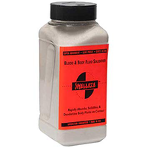 |  | S
Static Guard | Static Electricity Removal | 5.5 oz | 605021004411 | Waste | 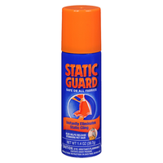 |  | S
Tri-wax | Superior Lubricant | 6 oz | 1111111111581 | waste | 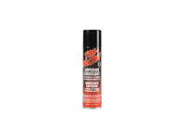 |  | T
Ventco | MC #7 Firearms Bore Cleaner | 16 oz | 27784007162 | Waste |  |  | V
Waxie | Emergency Cleanup Powder | 16 oz | 651619002697 | Product | 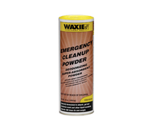 |  | W

